Angle de barre - pilote ST1000+
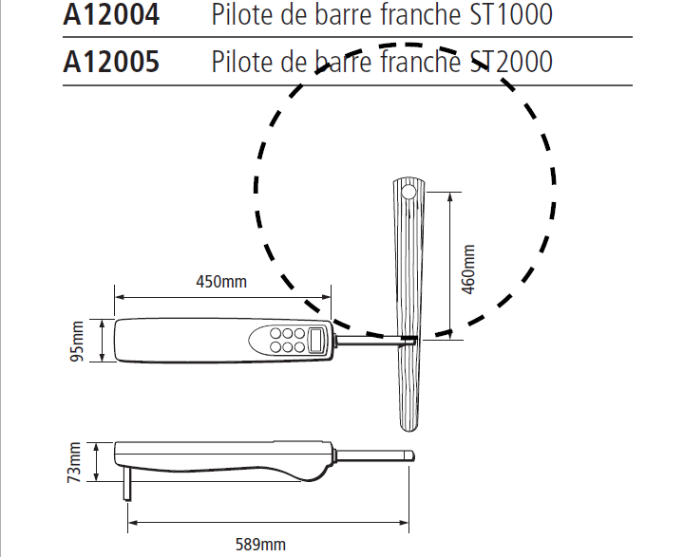
TRIANGLE QUELCONQUE

 | a | 747.34262557 | (a²-b²-c²)/2(b*c)=-cos 1 | -0.28865503554 | (b²-a²-c²)/2(a*c)=-cos 2 | -0.7974341371
 | b | 471 | Cos 1 | -0.28865503554 | Cos 2 | 0.7974341371
 | c | 460 | angle 1 | 106.77745209 | angle 2 | 37.11422565

 |  |  | (c²-b²-a²)/2*(a*b)=-cos 3 | 0.80790429408 | Vérification
 |  |  | Cos 3 | 0.80790429408 | Angles 1 + 2 + 3 = 180º | 180
 |  |  | angle 3 | 36.108322263

 | Tangente Plipa = sin Plipa/cosPlipa |  |  | 0.78098471986
 | Angle Plipa |  |  | 37.989292648 |  |  | angle 3
 | Angle cherché = 90-angle2-Plipa |  |  | 14.896481703

 | a | 707 | (a²-b²-c²)/2(b*c)=-cos 1 | 0.39309133855 | Anglepouerks = (Flub-angle 2)/2 | -19.962220438 |  | b
 | b | 460 | Cos Flub | 0.39309133855
 | c | 747.34262557 | Flub | 66.85301121

 | a | 707 | (a²-b²-c²)/2(b*c)=-cos 1' | 0.39309133855 | (b²-a²-c²)/2(a*c)=-cos 2' | -0.80130213556
 | b | 460 | Cos 1 | 0.39309133855 | Cos 2' | 0.80130213556 | angle 2
 | c | 747.34262557 | angle 1' | 66.85301121 | angle 2' | 36.745372334 |  |  | angle 1

 |  |  | (c²-b²-a²)/2*(a*b)=-cos 3 | 0.23511469159 | Angle cherché = (angle 1'-angle 2)/2 | 14.86939278 |  | c
 |  |  | Cos 3' | 0.23511469159
 |  |  | angle 3' | 76.401616455 | Vérification
 |  |  |  |  | Angles 1 + 2 + 3 = | 180º

 | Déviation angulaire maximale de la barre conduite par le pilote RAYMARINE 1000+ : 14º 52mn 9,814 sec

